Exercise 9.1 - Area 2
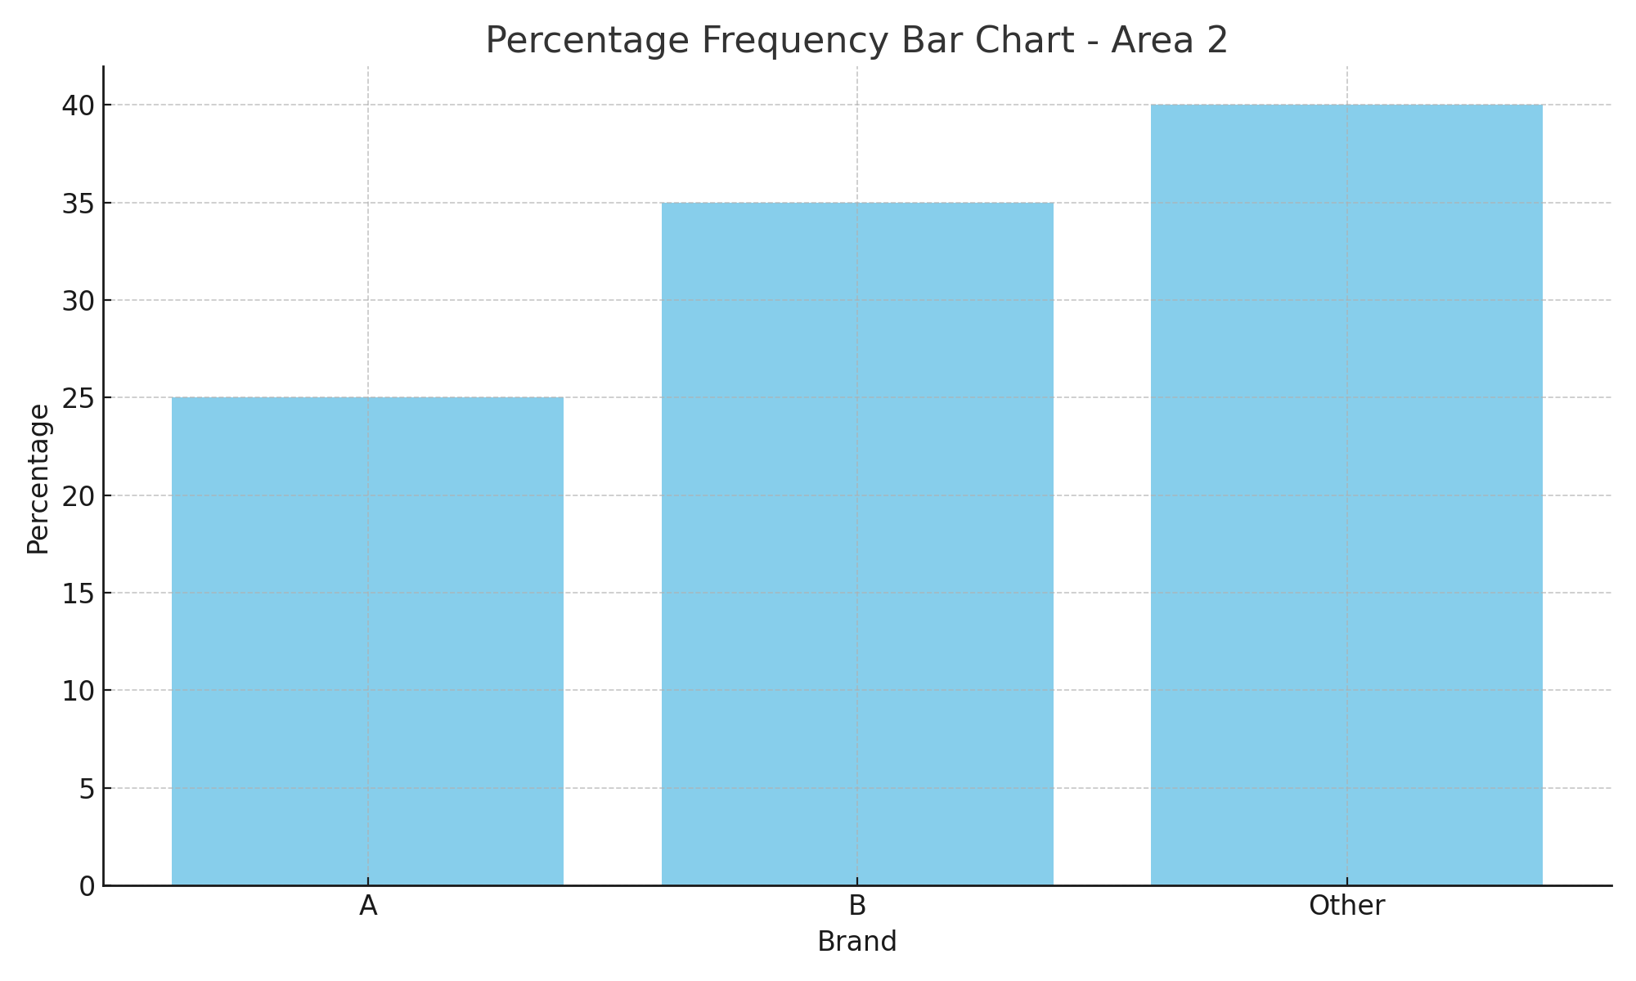
Brand | Percentage
A | 25
B | 35
Other | 40

Exercise 9.2 - Area1 vs Area2
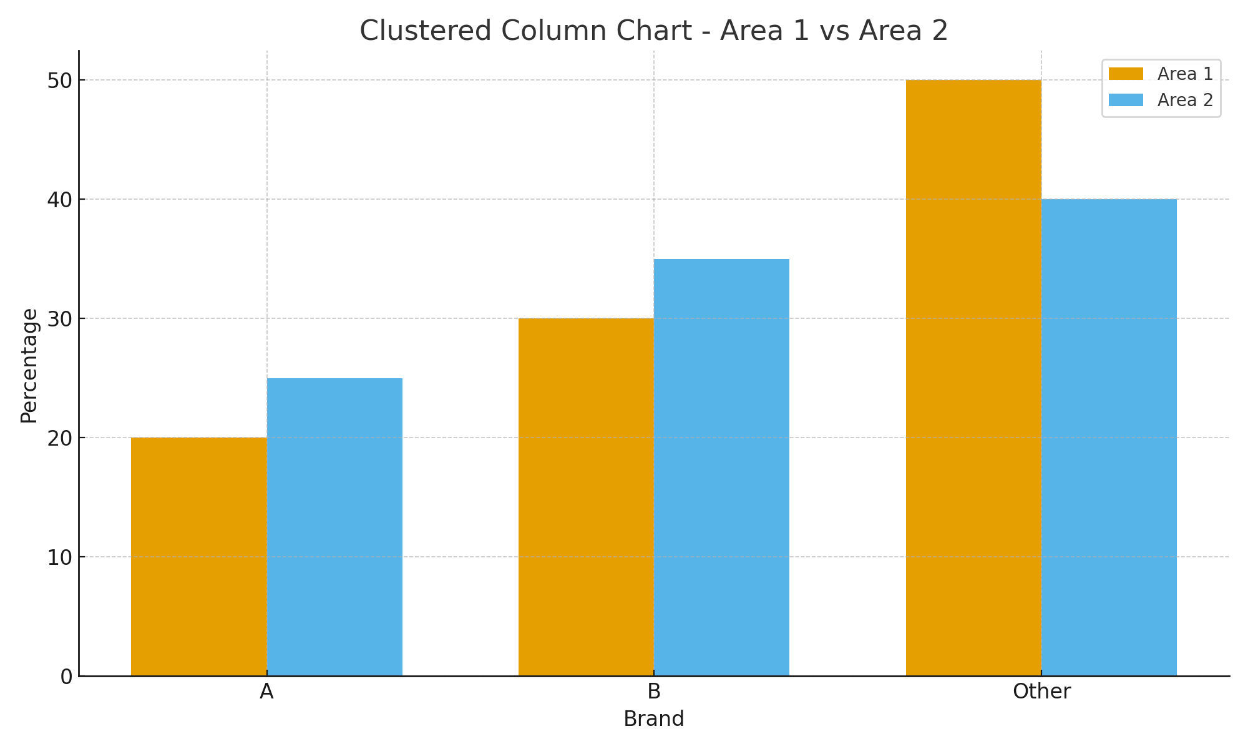
Brand | Area 1 | Area 2
A | 20 | 25
B | 30 | 35
Other | 50 | 40

Exercise 9.3 - Diets
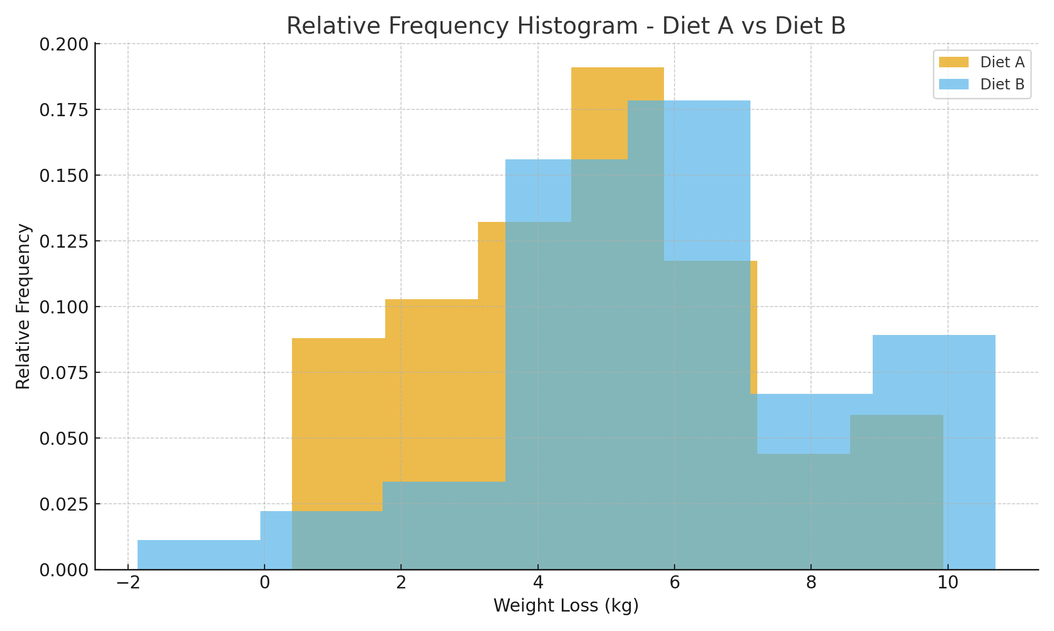
Diet A | Diet B
6.5417853825 | 6.9722519082
4.9543392471 | 4.8447531588
6.9192213453 | 3.9692339991
9.107574641 | 7.8350288665
4.7146165632 | 9.0929985675
4.7146576076 | 8.7938403573
9.2480320388 | 3.4823474303
7.2185868229 | 5.0723628724
4.1263140352 | 6.9937902942
6.656400109 | 8.9266353814
4.141455768 | 4.5624772865
4.1356756161 | 5.44302307
5.9049056789 | 2.680995078
0.51679938836 | 2.4113801278
0.98770541872 | 8.4375774672
3.8942811769 | 10.068720086
2.7679221992 | 5.7839696353
6.0856183315 | 9.0105986937
3.0299398112 | 7.0849080751
1.7692407467 | 4.0646407362
8.9641219223 | 7.0841868165
4.7355592488 | 10.614109699
5.4688205117 | 5.8925218827
1.7381295345 | 10.693930967
3.9390431887 | -1.8592353123
5.5773064743 | 8.4657075131
2.4225160564 | 6.2611412047
6.2392450459 | 5.1029779486
3.7984032752 | 6.2752823296
4.5707656255 | 0.037293256197
3.7957334694 | 5.3409843365
9.9306954613 | 7.0713377145
5.2662569382 | 10.433682134
2.6557226776 | 4.4451893452
7.3563622803 | 3.5745191913
2.2478908751 | 4.4947288692
5.8221589875 | 8.7462063531
0.4008246903 | 6.986253329
1.9795348778 | 4.4107193887
5.7921530897 | 7.5398022993
7.14616645 | 6.291232648
5.728420703 | 8.9059349716
5.010879294 | 3.8938407184
4.547240761 | 5.0170135602
1.6036950241 | 4.8236755406
3.500389479 | 1.6094551556
4.1484030726 | 6.8883608312
7.9428055655 | 6.7831658165
6.1590457239 | 6.0153403699
0.89239961159 | 5.2962385999

